Short Course
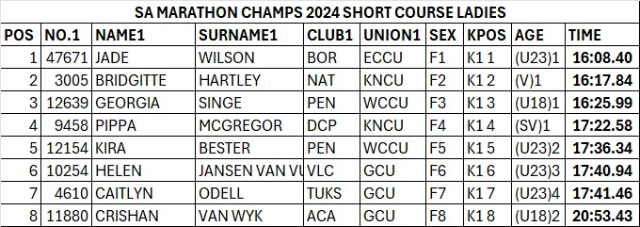
SA MARATHON CHAMPS 2024 SHORT COURSE MEN
POS | NO.1 | NAME1 | SURNAME1 | CLUB1 | UNION1 | SEX | KPOS | AGE | TIME
1 | 70810 | HAMISH | LOVEMORE | KIN | KNCU | M1 | K1 1 | 1 | 14:10.55
2 | 6381 | HANK | MCGREGOR | DCP | KNCU | M2 | K1 2 | (SM)1 | 14:13.37
3 | 5607 | ULVARD | HART | PEN | WCCU | M3 | K1 3 | (U23)1 | 14:17.35
4 | 1044 | CLINTON | COOK | DABS | GCU | M4 | K1 4 | 2 | 14:46.76
5 | 4544 | KYLE | FRIEDENSTEIN | MID | KNCU | M5 | K1 5 | 3 | 14:47.81
6 | 50284 | MARK | KEELING | FHBS | WCCU | M6 | K1 6 | 4 | 14:49.64
7 | 50288 | ALEX | ROSSOUW | BOR | ECCU | M7 | K1 7 | 5 | 14:51.06
8 | 12645 | CODY | STALLARD | PEN | WCCU | M8 | K1 8 | (U18)1 | 15:08.11
9 | 1280 | ROBERT | CRICHTON | DABS | GCU | M9 | K1 9 | (SV)1 | 15:36.24
10 | 5674 | DAWID | MOCKE | FHBS | WCCU | M10 | K1 10 | (SM)2 | 15:36.55
11 | 60099 | THOMAS | LOVEMORE | KNY | ECCU | M11 | K1 11 | 6 | 16:49.51
12 | 11801 | GARETH | BARBERTON | ACA | GCU | M12 | K1 12 | (U23)2 | 17:38.42
13 | 1921 | RYNO | ARMDORF | SCARC | GCU | M13 | K1 13 | (V)1 | 17:42.38
14 | 50718 | KHANYISA | NGXAKA | STA | WCCU | M14 | K1 14 | (U23)3 | 18:32.12
15 | 10947 | THABO | SELELA | JCC | GCU | M15 | K1 15 | (U23)4 | 19:11.18
16 | 50725 | SIBONGELENI | MZIMBA | STA | WCCU | M16 | K1 16 | (U23)5 | 19:47.13
19 | 11846 | MATTHEW | CHARTER | DABS | GCU | M19 | K1 19 | (U16)1 | 21:22.79

